Functional Test
Bug list

Defect ID | Module/Function | Title | Description | QC Activity | Severity | Priority | Status | Created Date | Assigned to | Corrective Action | Note
 | <function name> | Title section | <Describe defect and expected result> Ex: Default value of Status field = blank is incorrect Expected result: when create new document, default value of [Status] field must be "Oppened" | <Type of defect> Ex: User Interface | <Severity of defect> Ex: Cosmetic | <Priority of defect> Ex: High | <Status of defect> Ex: Assigned | <Created date of defect> Ex: 21-Sep-2008 | <Person who is assigned to fix defect> Ex: TungNT | <Actions used to fix defect> Ex: change code to update correct status | <Inset Image, video...>
[Register-3] | Register | _ The placeholder is inconsistent with the actual function. (Password field). | _Visit the URL: Moriitalia.com _ Mouse hover on "Đăng Nhập / Đăng Ký" label or icon. _ Click on internal link "Đăng Ký". Expect: _ All related label and placeholder will show clearly and correct function with textbox content. Result: _ Functional required 4 character but placeholder required 6 character -> Fail. | System Test | Medium | Medium | Oppened | 13/10/2025
[Register-4] | Register | _ Checkbox border not changes color / interaction. | _Visit the URL: Moriitalia.com _ Mouse hover on "Đăng Nhập / Đăng Ký" label or icon. _ Click on internal link "Đăng Ký". _ Mouse hovers over the checkbox or enable. Expect: _ When the mouse hovers over the checkbox or enable, its border changes color. Result: _ Checkbox border not changes color / interaction. -> Fail. | System Test | Cosmetic | Low | Assigned | 13/10/2025 | BA | _ Should consult the BA to see if this error can be bypassed.
[Register-9] | Register | _ Allow user created account via existed email address with +1 add: userexisted1@domain.extension. | _Visit the URL: Moriitalia.com _ Mouse hover on "Đăng Nhập / Đăng Ký" label or icon. _ Click on internal link "Đăng Ký". _ Enter an already existing email address with '+1' added, following the format: userexisted1@domain.extension _ Enter valid data to in the remaining fields. _ Click on "Đăng Ký" button. Expect: _ Label "Địa chỉ email này đã được sử dụng. Vui lòng đăng nhập hoặc chọn chức năng Quên Mật Khẩu " will appear under email when typing on the field. _ Registration attempt was not completed. Result: _ Allow user created account via email address with +1 add. -> Fail. | System Test | Fatal | High | Assigned | 13/10/2025 | DEV | The developer will provide a solution | 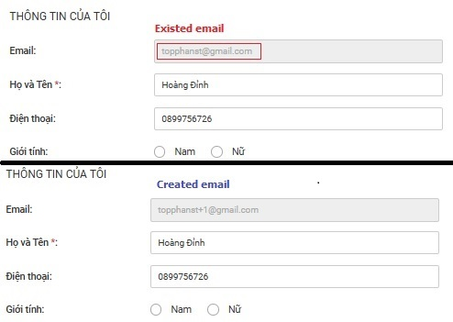
[Register-15] | Register | _ Spaces are allowed in the password field. | _Visit the URL: Moriitalia.com _ Mouse hover on "Đăng Nhập / Đăng Ký" label or icon. _ Click on internal link "Đăng Ký". _ Enter 4 characters including both character and numbers, with a space " " at the end. _ Enter valid data to in the remaining fields. _ Click on "Đăng Ký" button. Expect: _ Label "Mật khẩu không được có khoảng trắng" will appear under password field. _ Registration attempt was not completed. Result: _ Label "Mật khẩu không được có khoảng trắng" will appear under password field." not appear. _ Allow user enter " " at the end. -> Fail. | System Test | Fatal | High | Assigned | 13/10/2025 | DEV | The developer will provide a solution
[Sign-in-3] | Sign-in | _ Show / Hide password icon not available. | _Visit the URL: Moriitalia.com _ Mouse hover on "Đăng Nhập / Đăng Ký" label or icon. Expect: _ Show Hide password eye icon 👁️ will display on page and hiden password by default. _ User able to show or hide password by activate / inactivate icon. Result: _ Show / Hide password icon not show on sign-in. -> Not available. | System Test | Medium | Medium | Fixed | 13/10/2025 | DEV | The developer has completed adding the icon and the show/hide password functionality. | 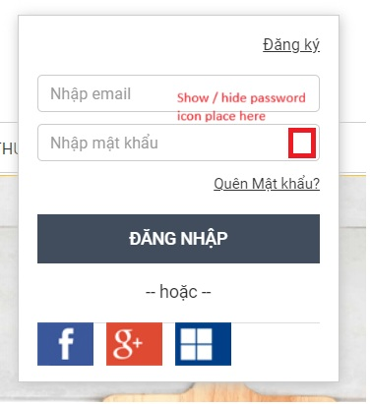
[Sign-in-7] | Sign-in | _ Checkbox "Ghi nhớ thông tin đăng nhập" not available. | _Visit the URL: Moriitalia.com _ Mouse hover on "Đăng Nhập / Đăng Ký" label or icon. Expect: _ Checkbox will show label "Ghi nhớ thông tin đăng nhập" and uncheck by default. _ Allow user enable, disable by click on. Result: _ Checkbox "Ghi nhớ thông tin đăng nhập" not show on sign-in. -> Not available. | System Test | Medium | Medium | Fixed | 13/10/2025 | DEV | The developer has completed adding the checkbox. | 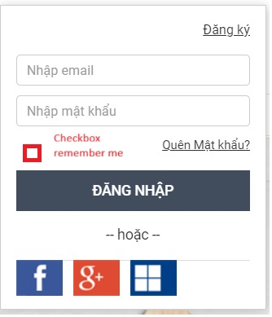
[Sign-in-14] | Sign-in | _ User's login information not remains in the input fields via checkbox "Ghi nhớ thông tin đăng nhập". | _ Mouse hover on "Đăng Nhập / Đăng Ký" label or icon. _ Enter valid data to textbox "Nhập Email", "Nhập Mật Khẩu". _ Activate checkbox "Ghi nhớ thông tin đăng nhập". _ Reload page, return sing-in form again. Expect: _ User's login information remains in the input fields. Result: _ Checkbox "Ghi nhớ thông tin đăng nhập" not show on sign-in. _ User's login information not remains in the input fields. -> Fail. | System Test | Medium | Medium | Fixed | 13/10/2025 | DEV | The developer has completed adding the checkbox and the remember me functionality.
[Sign-in-16] | Sign-in | _ Does not log out or prompt for re-authentication after the user session has expired. | _Visit the URL: Moriitalia.com _ Mouse hover on "Đăng Nhập / Đăng Ký" label or icon. _ Login attempt using account created successfully. _ Press the button "Đăng Nhập". _ Do not perform any actions during the configured timeout period (test 60 minute). _ Pressing the reload or back button on web browser. Expect: _ Redirect the user to the login screen or display a message prompting re-authentication. _ Required re-authentication to access user functional. Result: _ System does not any actions keep user stay sign-in. -> Fail. | System Test | Medium | Medium | Assigned | 13/10/2025 | BA | Consult with the BA to confirm the exact duration of the session timeout period.
[Sign-in-17] | Sign-in | _ System does not show an error message and locks access after 5 sign-in attemps with incorrect password. | _Visit the URL: Moriitalia.com _ Mouse hover on "Đăng Nhập / Đăng Ký" label or icon. _ Attempt (test 5 times) sign-in using incorrect password in existed account. _ Press the button "Đăng Nhập". Expect: _The system will show ""Bạn đã nhập sai mật khẩu 5 lần. Vui lòng thử lại sau 10 phút.". _ Temporarily lock access and require a 10-minute waiting period before allowing further login attempts. Result: _System does not show an error message and locks access after 5 sign-in attempts with an incorrect password. -> Fail. | System Test | Fatal | Immediately | Assigned | 13/10/2025 | Dev | The developer will provide a solution
[Change Password-1] | Change Password | _Missing label "Độ Mạnh Mật Khẩu" on the Change Password page. | _ Visit the URL: Moriitalia.com _ The user successfully sign-in into the system. _ Mouse hover on "User Name" label or icon. _ Click on the dropdown link "Thông tin của tôi" and select "Đổi Mật Khẩu". Expect: _ The Forgot Password interface wil present the following fields: + Title "Đổi Mật Khẩu". + Textbox "Mật khẩu cũ" + Textbox "Mẩu khẩu mới" + Textbox "Xác nhận lại mật khẩu" + Label "Độ Mạnh Mật Khẩu" + Button "ĐỔI MẬT KHẨU" Result: _ Missing label "Độ Mạnh Mật Khẩu" on the Change Password page -> Fail. | System Test | Medium | High | Assigned | 15/10/2025 | DEV | The developer will provide a solution | 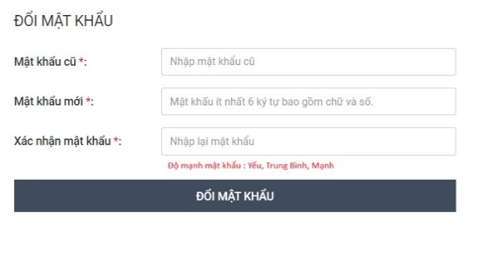
[Change Password-4] | Change Password | _ The placeholder is inconsistent with the actual function. | _ Visit the URL: Moriitalia.com _ The user successfully sign-in into the system. _ Mouse hover on "User Name" label or icon. _ Click on the dropdown link "Thông tin của tôi" and select "Đổi Mật Khẩu". Expect: _ System will display blank Textbox with placeholder "Mật khẩu ít nhất 4 ký tự bao gồm chữ và số" by default. _ Label "Mật khẩu mới*:" will align correctly with textbox. _ Allow user input up to 20 character in textbox. _ The placeholder will automatically disappear and character are securely hiden *** when the user starts typing. Result: _ The placeholder is inconsistent with the actual function. -> Fail. | System Test | Medium | Low | Assigned | 15/10/2025 | DEV | The developer will provide a solution | 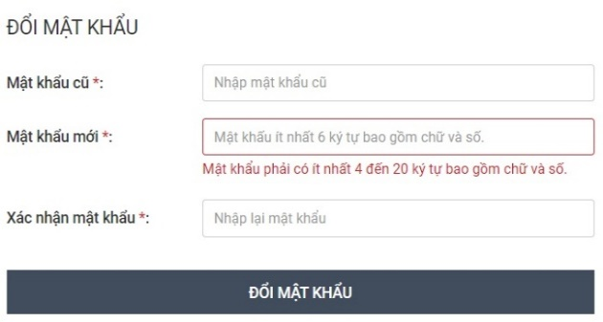
[Change Password-6] | Change Password | _ "Mật Khẩu Cũ" or "Mật Khẩu Mới" was not displayed password strength (e.g., "Yếu", "Trung Bình", "Mạnh") | _ Visit the URL: Moriitalia.com _ The user successfully sign-in into the system. _ Mouse hover on "User Name" label or icon. _ Click on the dropdown link "Thông tin của tôi" and select "Đổi Mật Khẩu". Expect: _ Either the "Mật Khẩu Cũ" or "Mật Khẩu Mới" field should be displayed password strength (e.g., "Yếu", "Trung Bình", "Mạnh") when user enter the password. Result: _ System was not displayed password strength functional via format "Độ Mạnh Mật Khẩu: [Yếu,Trung Bình, Mạnh]". -> Not available. | System Test | Medium | High | Assigned | 15/10/2025 | DEV | The developer will provide a solution | 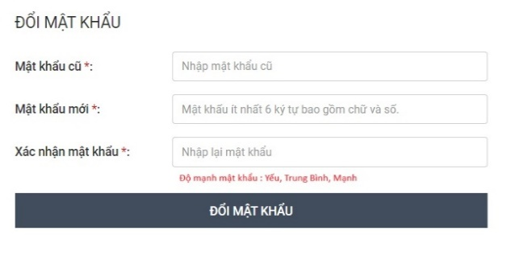
[Search Items-8] | Search Items | _ Search functional is disabled, user does not input data to textbox and click search icon. | _ Visit the URL: Moriitalia.com _ Click the Maximize / Restore Down button at the top-right corner on browser to resize the window. _ Input keyword "Chảo" into the Search field. _ Click on the icon Search. Expect: _ Redirect to the Search Results page and display all “Chảo” products. Result: _ User does not input data to textbox, search icon is disable not response when user hover over icon. - > The search function was broken. -> Fail. | System Test | Serious | High | Oppened | 15/10/2025
[Search Items-10] | Search Items | _ Error message does not appear, allow user search up to 21 character. | _ Visit the URL: Moriitalia.com _ Input keyword "aaaaa..." (length 21) into the Search field. _ Click on the icon Search. Expect: _ Error message will display "Tìm kiếm với chiều dài tối đa 20 ký tự". _ Search items was not completed. Result: _ No errror message is show, allow user input up to 21 character to search box. - > Fail. | System Test | Medium | Low | Assigned | 15/10/2025 | DEV | The developer will provide a solution
[Search Items-11] | Search Items | _ Error message does not appear, allow user search special character. | _ Visit the URL: Moriitalia.com _ Input keyword "Chảo" into the Search field. _ Click on the icon Search. Expect: _ Error message will display "Từ khóa tìm kiếm không hợp lệ". _ Search items was not completed. Result: _ No error message is show, allow user input special character to search box. -> Fail. | System Test | Medium | Low | Assigned | 15/10/2025 | DEV | The developer will provide a solution | 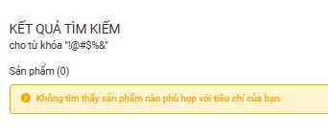
[Search Items-21] | Search Items | _ Display product out of price range from 200.000đ to 300.000đ | _ Visit the URL: Moriitalia.com _ Input keyword "Bình Giữ Nhiệt" into the Search field. _ Click on the icon Search. _ Adjust the price range from 200.000đ to 300.000đ on "Giá" section. _ Activate button "TÌM THEO GIÁ". Expect: _All "Bình Giữ Nhiệt" products priced from 200.000đ to 300.000đ will be displayed. Result: _ Filter condition not applied. Products priced over 300,000đ are displayed in the results. -> Fail. | System Test | Medium | Medium | Oppened | 15/10/2025 |  |  | 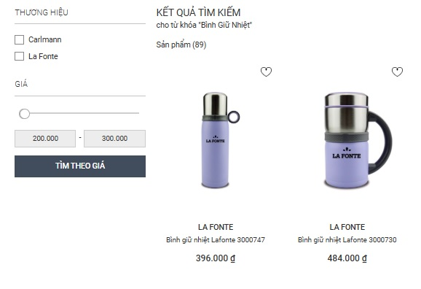
[Search Items-22] | Search Items | _ Products are displayed normally, no price range condition is applied. | _ Visit the URL: Moriitalia.com _ Input keyword "Bình Giữ Nhiệt" into the Search field. _ Click on the icon Search. _ Adjust the price range from 0 to 0 on "Giá" section. _ Activate button "TÌM THEO GIÁ". Expect: _ No results found / display only 0đ for "Bình Giữ Nhiệt" products. Result: _ Filter condition not applied. Products are displayed normally. - > Fail | System Test | Medium | Medium | Oppened | 15/10/2025 |  |  | 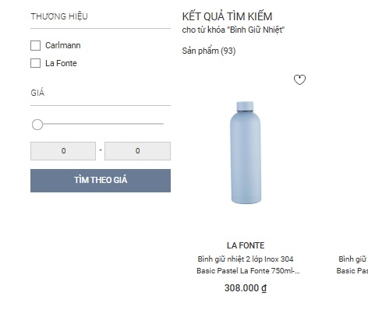
[Search Items-23] | Search Items | _ Related product functional is not available. | _ Visit the URL: Moriitalia.com _ Input keyword "Bình Giữ Nhiệt" into the Search field. _ Click on the icon Search. Expect: _ Products related to "Bình Giữ Nhiệt" will be suggested on the bottom page. Result: _ Related product "Bình Giữ Nhiệt" functional does not work - > Not Available. | System Test | Medium | Medium | Oppened | 15/10/2025 |  |  | 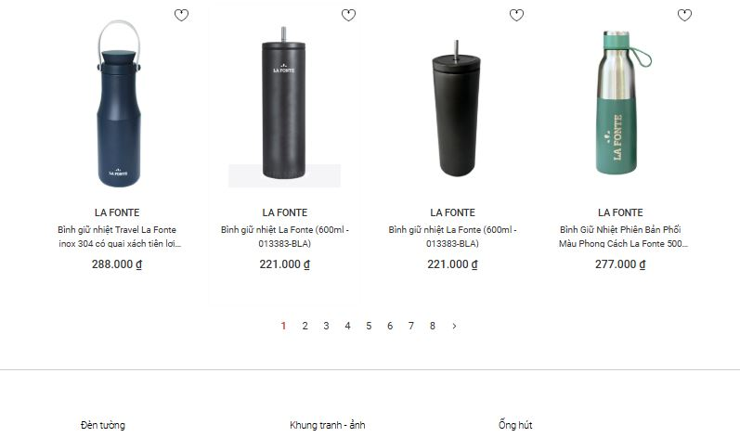
[Product Detail-1] | Product Detail | _ Missing: + Feedback + Promotion status + Policy & Support + Suggestion | _Visit the URL: Morritalia.com _Input keyword "Bình Giữ Nhiệt" into the Search field and tap search. _ Click on the first result "Bình Giữ Nhiệt" product. _ Reach product detail page successfully. Expect: _ The Product detail interface wil present the following fields: + Navigation Path. + Main Product Image + Product image gallery + Product brand, name, code. + Product description. + Star rating + Feedback + Price + Purchase Interaction. + Policy & Support + Suggestion. Result: _ Missing Functional: + Feedback + Promotion status + Policy & Support + Suggestion -> Fail | System Test | Serious | Immediately | Assigned | 16/05/2025 | DEV | The developer will provide a solution | Link: https://moriitalia.com/binh-giu-nhiet-2-lop-inox-304-basic-paster-la-fonte-750ml-015899-blu
[Product Detail-7] | Product Detail | _ Star rating does not display average point, not allow user click. | _Visit the URL: Morritalia.com _Input keyword "Bình Giữ Nhiệt" into the Search field and tap search. _ Click on the first result "Bình Giữ Nhiệt" product. _ Reach product detail page successfully. Expect: _ Star rating will display average point by the default. _ Allow user click on to access user review. Result: _ Star rate not display average point only show grey icon _ Non interaction when user hover over mouse and click on. -> Fail. | System Test | Medium | Medium | Oppened | 16/10/2025
[Product Detail-8] | Product Detail | _ Feedback not show on product detail. | _Visit the URL: Morritalia.com _Input keyword "Bình Giữ Nhiệt" into the Search field and tap search. _ Click on the first result "Bình Giữ Nhiệt" product. _ Reach product detail page successfully. Expect: _ Feedback will display by default. _ Allow user input data and upload image. _ Have a feature thumbs-up icon for highly rated reviews. Result: _ Feedback not show on product detail. -> Not available. | System Test | Medium | Medium | Assigned | 16/10/2025 | DEV | The developer will provide a solution
[Product Detail-11] | Product Detail | _ Wrong label name "Thêm Vào Giỏ Hàng" but show "Mua Ngay". | _Visit the URL: Morritalia.com _Input keyword "Bình Giữ Nhiệt" into the Search field and tap search. _ Click on the first result "Bình Giữ Nhiệt" product. _ Reach product detail page successfully. Expect: _ Button "Thêm Vào Giỏ Hàng" will show on page. _ Verify that all button area are clickable, not only text. _ Allow user press to add cart. _ Hovering over the button triggers a glowing effect that lights up the button. Result: _ Button "Thêm Vào Giỏ Hàng" will show on page. _ Verify that all button area are clickable, not only text. _ Allow user press to add cart. _ Hovering over the button triggers a glowing effect that lights up the button. -> Fail. | System Test | Cosmetic | High | Assigned | 16/10/2025 | BA | Need review the technical documentation, as the correct label name is supposed to be "Thêm Vào Giỏ Hàng" or based on newly updates from the client. | 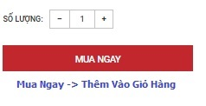
[Product Detail-12] | Product Detail | _ Promotion status not show on product detail. | _Visit the URL: Morritalia.com _Input keyword "Bình Giữ Nhiệt" into the Search field and tap search. _ Click on the first result "Bình Giữ Nhiệt" product. Expect: _ original price will show this format and discounted price is highlighted. _ “- number %” appears near the price and product image. _ Remaining promotion time is shown accurately. Result: _ Original price, % discout, remaining promotion time not appear on product detail. -> Not available. | System Test | Medium | High | Oppened | 16/10/2025
[Product Detail-13] | Product Detail | _ Policy & Support not show on product detail. | _Visit the URL: Morritalia.com _Input keyword "Bình Giữ Nhiệt" into the Search field and tap search. _ Click on the first result "Bình Giữ Nhiệt" product. Expect: _ System will display "Phí ship 0đ" under price label by default. _ Label "Trả hàng hoàn tiền miễn phí trong vòng 7 ngày." will appear under product name. _ "Bảo hành + number + năm cho các sản phẩm thuộc danh mục" format will show (if applicable) on product. Result: _ Not display shipping fee, return policy, warranty on product. - > Not Available. | System Test | Medium | High | Oppened | 16/10/2025
[Product Detail-14] | Product Detail | _ Suggestion not show on product detail. | _Visit the URL: Morritalia.com _Input keyword "Bình Giữ Nhiệt" into the Search field and tap search. _ Click on the first result "Bình Giữ Nhiệt" product. Expect: _ System will display "Sản phẩm thường mua kèm" under description by default. _ Product image show clearly image with no blur or broken. _ Can navigate button to check previous and next product. _ Allow user click to see product detail. Result: _ Suggestion not show on product detail. -> Not available. | System Test | Medium | High | Oppened | 16/10/2025
[Product Detail-17] | Product Detail | _ Not sign-in user allow add product to cart. | _Visit the URL: Morritalia.com _ The user not sign-in into the system. _Search and select "Bình giữ nhiệt 2 lớp Inox 304 Basic Pastel La Fonte 750ml-015899-BLU" _ Click on the result product to go product detail. Expect: _ Error message "Vui lòng đăng nhập để thêm sản phẩm vào giỏ hàng" will appear. _ Attemp add to cart product fail. Result: _ Allow not sign-in user add product to cart. _ Does not appear error message. -> Fail. | System Test | Medium | Medium | Assigned | 16/10/2025 | BA | _ Check with the Business Analyst to see if we can allow not sign-in users to add product to cart. -> This could help enhance the overall user experience. | 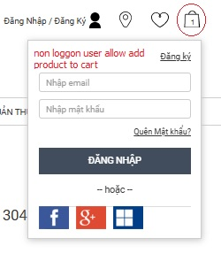
[Product Detail-18] | Product Detail | _ Allow users to place large-number orders (50) and not show any error message. | _Visit the URL: Morritalia.com _ The user successfully sign-in into the system. _Search and select "Bình giữ nhiệt 2 lớp Inox 304 Basic Pastel La Fonte 750ml-015899-BLU" _ Click on the result product to go product detail. _ Increase the quantity of the product by 50 using the '+' button. _ Press the button "Mua Ngay". Expect: _ Warning message "Số lượng đặt hàng quá lớn. Vui lòng liên hệ bộ phận chăm sóc khách hàng để được hỗ trợ." will appear on top page. _ Attemp add to cart product fail. Result: _ No error message is appear, allow user add large number orders(50) product. -> Fail. | System Test | Fatal | High | Assigned | 16/10/2025 | DEV | The developer will provide a solution | 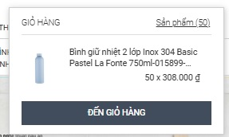
[Product Detail-19] | Product Detail | _ Remaining stock product not show when press [+] button. | _Visit the URL: Morritalia.com _ The user successfully sign-in into the system. _Search and select "Bình giữ nhiệt 2 lớp Inox 304 Basic Pastel La Fonte 750ml-015899-BLU" _ Click on the result product to go product detail. _ Increase the quantity of the product by 5 to 10 using the '+' button. Expect: _ From the 5th product, the system will display the remaining stock quantity by format "Còn lại - number - sản phẩm". _ Each time the '+' button is pressed, the stock number will automatically decrease. Result: _ From the 5th product, the system not show remaining stock quantity. -> Fail. | System Test | Cosmetic | Medium | Oppened | 16/10/2025 |  |  | 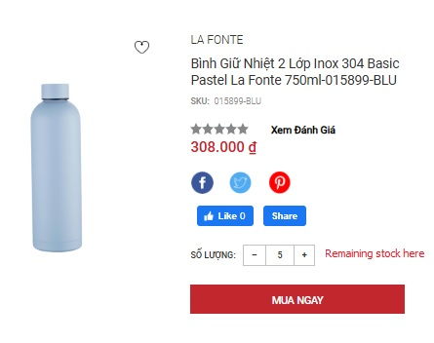
[Product Detail-21] | Product Detail | _ Total price does not automatically update when increasing the quantity. | _Visit the URL: Morritalia.com _ The user successfully sign-in into the system. _Search and select "Bình giữ nhiệt 2 lớp Inox 304 Basic Pastel La Fonte 750ml-015899-BLU" _ Click on the result product to go product detail. _ Increase the quantity of the product by 5 using the '+' button. Expect: _ Total price wil be automatically updated by format " Price = unit price × 5". Result: _ System not display total price when select multiple product. -> Not available. | System Test | Medium | High | Oppened | 16/10/2025
[Product Detail-23] | Product Detail | _Option to sort user reviews by latest are not available. | _Visit the URL: Morritalia.com _ The user successfully sign-in into the system. _Search and select "Bình giữ nhiệt 2 lớp Inox 304 Basic Pastel La Fonte 750ml-015899-BLU" _ Click on the result product to go product detail. _ Activate dropdown list "Đánh giá sản phẩm" on page. _ Select "Sắp xếp theo bình luận mới nhất" . Expect: _ User review will be sorted by lastest. Result: _ User cannot sort review by lastest. -> Not available. | System Test | Medium | Medium | Oppened | 16/10/2025
[Product Detail-24] | Product Detail | _Option to sort user reviews by oldest are not available. | _Visit the URL: Morritalia.com _ The user successfully sign-in into the system. _Search and select "Bình giữ nhiệt 2 lớp Inox 304 Basic Pastel La Fonte 750ml-015899-BLU" _ Click on the result product to go product detail. _ Activate dropdown list "Đánh giá sản phẩm" on page. _ Select "Sắp xếp theo bình luận cũ nhất" . Expect: _ User review will be sorted by oldtest. Result: _ User cannot sort review by oldtest. -> Not available. | System Test | Medium | Medium | Oppened | 16/10/2025
[Product Detail-25] | Product Detail | _Option to sort user reviews by most helpful are not available. | _Visit the URL: Morritalia.com _ The user successfully sign-in into the system. _Search and select "Bình giữ nhiệt 2 lớp Inox 304 Basic Pastel La Fonte 750ml-015899-BLU" _ Click on the result product to go product detail. _ Activate dropdown list "Đánh giá sản phẩm" on page. _ Select "Sắp xếp theo bình luận cũ nhất" . Expect: _ User review will be sorted by most helpful. Result: _ User cannot sort review by most helpful. -> Not available. | System Test | Cosmetic | Medium | Oppened | 16/10/2025
[Product Detail-26] | Product Detail | _ Does not give 1 star and leave a blank comment after user has bought product | _Visit the URL: Morritalia.com _ The user successfully sign-in into the system. _ User already bought 1 "Bình giữ nhiệt 2 lớp Inox 304 Basic Pastel La Fonte 750ml-015899-BLU" product. _ Go to go product detail. _ Select the 1-star rating. _ Leave the comment box empty. _ Click the "Gửi" button to submit. Expect: _ The system will display users' 1-star reviews with no comment. Result: _ Option select star rating and comment on user review are -> Not available. | System Test | Cosmetic | High | Assigned | 16/10/2025 | DEV | The developer will provide a solution
[Product Detail-27] | Product Detail | _ Does not give 5 star and leave a blank comment after user has bought product | _Visit the URL: Morritalia.com _ The user successfully sign-in into the system. _ User already bought 1 "Bình giữ nhiệt 2 lớp Inox 304 Basic Pastel La Fonte 750ml-015899-BLU" product. _ Go to go product detail. _ Select the 5-star rating. _ Leave the comment box empty. _ Click the "Gửi" button to submit. Expect: _ The system will display users' 5-star reviews with no comment. Result: _ Option select star rating and comment on user review are -> Not available. | System Test | Cosmetic | High | Assigned | 16/10/2025 | DEV | The developer will provide a solution
[Product Detail-28] | Product Detail | _ Does not give 1 star and input data into comment after user has bought product | _Visit the URL: Morritalia.com _ The user successfully sign-in into the system. _ User already bought 1 "Bình giữ nhiệt 2 lớp Inox 304 Basic Pastel La Fonte 750ml-015899-BLU" product. _ Go to go product detail. _ Select the 1-star rating. _ Typing "Sản phẩm có thiết kế nhỏ gọn, bền bỉ và chống được va đập " in the comment box. _ Click the "Gửi" button to submit. Expect: _ The system will display users' 1-star reviews with comment "Sản phẩm có thiết kế nhỏ gọn, bền bỉ và chống được va đập." Result: _ Option select star rating and comment on user review are -> Not available. | System Test | Cosmetic | High | Assigned | 16/10/2025 | DEV | The developer will provide a solution
[Product Detail-29] | Product Detail | _ Does not give 5 star and input data into comment after user has bought product | _Visit the URL: Morritalia.com _ The user successfully sign-in into the system. _ User already bought 1 "Bình giữ nhiệt 2 lớp Inox 304 Basic Pastel La Fonte 750ml-015899-BLU" product. _ Go to go product detail. _ Select the 5-star rating. _ Typing "Sản phẩm có thiết kế nhỏ gọn, bền bỉ và chống được va đập " in the comment box. _ Click the "Gửi" button to submit. Expect: _ The system will display users' 5-star reviews with comment "Sản phẩm có thiết kế nhỏ gọn, bền bỉ và chống được va đập." Result: _ Option select star rating and comment on user review are -> Not available. | System Test | Cosmetic | High | Assigned | 16/10/2025 | DEV | The developer will provide a solution
[Shopping Cart-31] | Shopping Cart | _ Wrong error message. "Thẻ quà tặng không hợp lệ" | _ Visit the URL: Moriitalia.com. _ The user successfully sign-in into the system. _ Already +1 product "Bình giữ nhiệt 2 lớp Inox 304 Basic Pastel La Fonte 750ml-015899-BLU" in cart. _ Hovering over and select the Cart icon. _ Press the button "Đến Giỏ Hàng". _ Enter a invalid gift code (****$$$$) into the textbox "Thẻ Quà Tặng" _ Press the button "Áp Dụng". Expect: _ Message "Thẻ quà tặng không hợp lệ". _ Attemp apply gift code was not completed. Result: _ Wrong error messge "Phiếu giảm giá không hơp lệ" will show.- > Fail. | System Test | Cosmetic | Low | Assigned | 16/10/2025 | BA | Need review the technical documentation, as the correct label name is supposed to be "Thẻ quà tặng không hợp lệ" or based on newly updates from the client.
[Shopping Cart-34] | Shopping Cart | _ System fails to recalculate the total shipping cost when buy mutiple product. | _ Visit the URL: Moriitalia.com. _ The user successfully sign-in into the system. _ Already +1 product "Bình giữ nhiệt 2 lớp Inox 304 Basic Pastel La Fonte 750ml-015899-BLU" in cart. _ Hovering over and select the Cart icon. _ Press the button "Đến Giỏ Hàng". _ Press + button 5 times. _ Tap dropdown box "Ước tính phí giao hàng". _ Select "Tp. Hồ Chí Minh" on "Tỉnh / Thành". _ Select "Quận 7" on "Quận / Huyện". _ Activate button "Tính Phí". Expect: _ System will show message "Giao hàng tiêu chuẩn ( > 30.000 đ)" Result: _ Not recalculate the total shipping cost when buy mutiple product, only show "Giao hàng tiêu chuẩn (0đ)". -> Fail. | System Test | Fatal | Immediately | Assigned | 16/10/2025 | DEV | The developer will provide a solution | 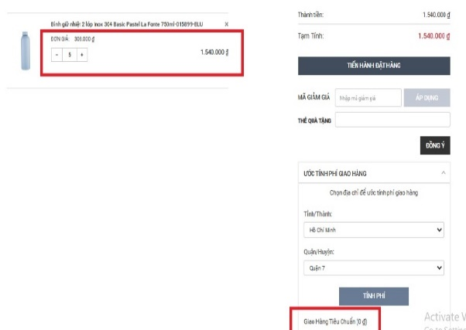
[Order Manage-1] | Order Manage | _ Missing: + Search Order + Order product image. + Order product name, price, quantity, policy + Delivery time estimate. + Total ordered price + Button "Hủy Bỏ" | _ Visit the URL: Moriitalia.com. _ The user successfully sign-in into the system. _ User already purchased product ""Nồi Cơm Điện Kuchenzimmer 8in1 Cao Tần (IH) 4L-014359" _ Mouse hover on "User Name" label or icon. _ Click on the dropdown link "Đơn Hàng Của Tôi". Expect: _ The Order Manage interface wil present the following fields: + Title "Đơn Hàng Của Tôi" + Order code. + Search Order. + Order status. + Order product Image + Ordered product name, price, quantity, policy. + Order detaild link. + Delivery time estimate. + Total ordered price. + Button "Hủy Bỏ". Result: _ Missing Functional: + Search Order + Order product image. + Order product name, price, quantity, policy + Delivery time estimate. + Total ordered price + Button "Hủy Bỏ" - > Fail. | System Test | Serious | High | Assigned | 17/10/2025 | DEV | The developer will provide a solution | 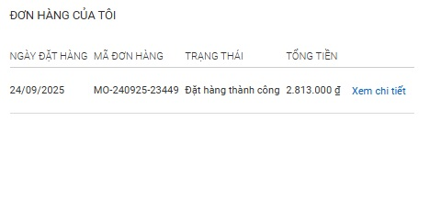
[Order Manage-8] | Order Manage | _ Order detail page was broken. | _ Visit the URL: Moriitalia.com. _ The user successfully sign-in into the system. _ User already purchased product ""Nồi Cơm Điện Kuchenzimmer 8in1 Cao Tần (IH) 4L-014359" _ Mouse hover on "User Name" label or icon. _ Click on the dropdown link "Đơn Hàng Của Tôi". Expect: _ Forgot Password Link "Xem chi tiết" will display on page by default. _ Hovering over link will trigger a glowing effect. _ User able to click link will redirect to order detailed page. Result: _ User able to click link but redirect to the broken page. -> Fail. | System Test | Medium | Medium | Oppened | 17/10/2025 |  |  | 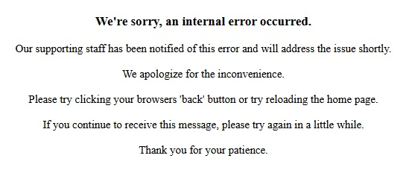

Smoke Test
Bug list

Defect ID | Module/Function | Title | Description | QC Activity | Severity | Priority | Status | Created Date | Assigned to | Corrective Action | Note
 | <function name> | Title section | <Describe defect and expected result> Ex: Default value of Status field = blank is incorrect Expected result: when create new document, default value of [Status] field must be "Oppened" | <Type of defect> Ex: User Interface | <Severity of defect> Ex: Cosmetic | <Priority of defect> Ex: High | <Status of defect> Ex: Assigned | <Created date of defect> Ex: 21-Sep-2008 | <Person who is assigned to fix defect> Ex: TungNT | <Actions used to fix defect> Ex: change code to update correct status | <Inset Image, video...>
[Login / Registration-3] | Registration | _ System not show message when user create account. | _ Visit the URL: Moriitalia.com _ Mouse hover on "Đăng Nhập / Đăng Ký" label or icon. _ Click on internal link "Đăng Ký". _ Enter valid data into the field "Họ và Tên", "Email","Điện thoại", "Mậu Khẩu", "Xác Nhận Mật Khẩu" _ Activate Checkbox "Tôi đã đọc và đồng ý với Chính sách và Qui Định". _ Press the button "Đăng Ký". Expect: _ System will show message "Xin chào…, Bạn đã đăng kí thành công.Nhấn OK để quay trờ về trang chủ." Result: _ System not show message, account was created and directly go to homepage. - > Fail. | System Test | Cosmetic | Low | Oppened | 13/10/2025
[Login / Registration-4] | Login | _ System not show message when user successfully log-in into page. | _Visit the URL: Moriitalia.com _ Mouse hover on "Đăng Nhập / Đăng Ký" label or icon. _ Login attempt using account created successfully in test case [Login / Registration-3] (required success). _ Press the button "Đăng Nhập". Expect: _ System will show message "Xin Chào , User". Result: _ System not shown message, user log-in successfuly and directly go to homepage. -> Fail. | System Test | Cosmetic | Low | Oppened
[Login / Registration-5] | Login | _ System not show message when user unsuccessfully log-in into page. | _Visit the URL: Moriitalia.com _ Mouse hover on "Đăng Nhập / Đăng Ký" label or icon. _ Login attempt using account created successfully in test case [Login / Registration-3] (required success). _ Press the button "Đăng Nhập". Expect: _ System will show message "Đăng nhập không thành công, vui lòng thử lại". Result: _ System not shown message, user log-in unsuccessfully and redirect to Login screen. -> Fail. | System Test | Cosmetic | Low | Oppened | 13/10/2025
[Order Payment-3] | Order Payment | _ Delivery method is disabled / not available. | _Visit the URL: Moriitalia.com _The Product "Nồi Cơm Điện Tách Đường Kuchenzimmer 2L-013628" has been added in cart and process checkout. _ Enter valid data into Shipping Address "Địa Chỉ Giao Hàng" _ Press the button "Tiếp Tục" _ Select method Standard Shipping. _ Press the button "Tiếp Tục" Expect: _ All selection box in Delivery Method will be hide, only show Delivery Method after selected. _ Payment method "Phương Thức Thanh Toán" will be enabled. Result: _ Delivery method is disable , not allow user select and system automatically move to payment method. -> Not Available. | System Test | Fatal | Immediately | Assigned | 13/10/2025 | Dev A | 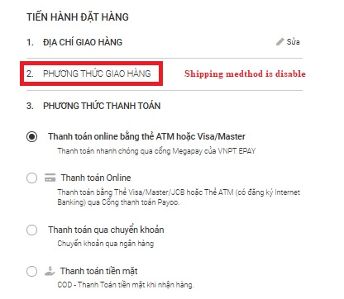 The developer will provide a solution
[Order Payment-5] | Order Payment | _ The Order confirmation screen is missing features. | _Visit the URL: Moriitalia.com _The Product "Nồi Cơm Điện Tách Đường Kuchenzimmer 2L-013628" has been added in cart and process checkout. _ Enter valid data into Shipping Address "Địa Chỉ Giao Hàng" _ Press the button "Tiếp Tục" _ Select method Standard Shipping. _ Press the button "Tiếp Tục" _ Select method COD. _ Press the button "Tiếp Tục" Expect: _ Label "Thanh toán tiền mặt khi nhận hàng" will show. _ Order Confirmation " XÁC NHẬN ĐƠN HÀNG" will be enabled and show correct price, shipping fee, tax, discount, total amount. Result: _ Missing features: label "Thanh toán tiền mặt khi nhận hàng", tax, discount. -> Fail. | System Test | Medium | Medium | Assigned | 13/10/2025 | Dev A | The developer will provide a solution | 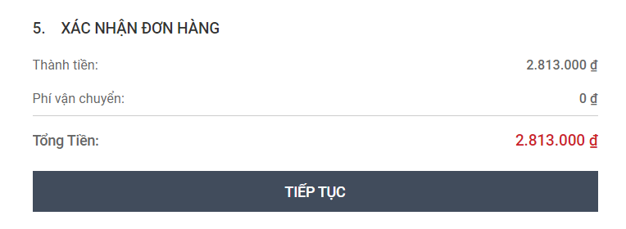
[Order Payment-6] | Order Payment | _ Process checkout was not completed, user cannot purchase product. | _Visit the URL: Moriitalia.com _The Product "Nồi Cơm Điện Tách Đường Kuchenzimmer 2L-013628" has been added in cart and process checkout. _ Enter valid data into Shipping Address "Địa Chỉ Giao Hàng" _ Press the button "Tiếp Tục" _ Select method Standard Shipping. _ Press the button "Tiếp Tục" _ Select method COD. _ Press the button "Tiếp Tục" 3 times. Expect: _ System wil send message "Thanh Toán Thành Công". _ Order Id will be created and send to user via email. _ Order status will be update to "Paid" . Result: _ User cannot purchase product, system redirect to error page -> Fail. | System Test | Fatal | Immediately | Assigned | 13/10/2025 | Dev A | The developer will provide a solution | 

